Sheet1
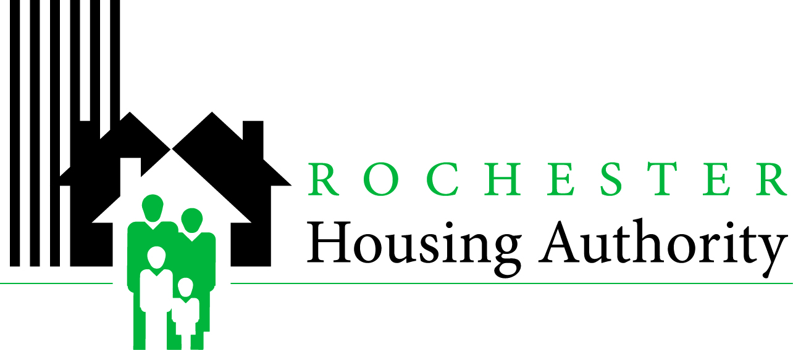
 |  |  |  | Procurement Office
 |  |  |  | 495 Upper Falls Blvd

 |  |  |  | www.Rochesterhousing.org

BID RESULTS
Date: | 15-Feb-12 | 2026-08-14 | Project Number: | 41-Various
Work Item: |  | 2026 Backflow Testing and Inspection Svcs. | Location: | Authority-Wide

The following figures are the results of the bidding on the above mentioned property.
**ALL BIDS UNDER REVIEW PENDING AWARD**

Add# |  | Contractor | Bid Amount | Bid Security (Yes or No)
NA |  | Postler and Jaeckle | $7,086.00 | Not required
NA |  | JW Danforth | $6,416.00 | Not required
NA |  | Upstate NY Backflow | $6,694.33 | Not required
NA |  | Crosbie Brownlie | $6,977.00 | Not required
NA |  | Kennedy Mechanical | $6,624.00 | Not required

 |  | Bids Opened by: | M. Wolfe
 |  | Present at Bid Opening: | Marisha Wilder
 |  | Results Inputted by: | M. Wolfe
xc:
Bulletin Board, Kathy Short

